Sheet1
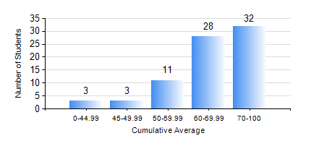
 |  |  | KWAME NKRUMAH UNIVERSITY OF SCIENCE AND TECHNOLOGY, KUMASI Department of Mechanical Engineering

 |  |  | BSC. AEROSPACE ENG., General Option

 |  |  | COMPREHENSIVE RECORD OF EXAMINATION RESULTS

 |  |  | RESULTS OF YEAR 1 FIRST SEMESTER, 2024/2025 ACADEMIC YEAR

 | Sn | Course Code |  | Course Name | Credit Hours | Min. Mark | Max. Mark | Avg. Mark | Std. Dev. | No. Passed | No. Trailed | No. (Df) | No. (I) | No. (I*) | No. Tagged(I,I*,Df) | Total
 | 0. |  |  |  |  |  |  | 0 | 0 | 0 | 0 | 0 | 0 | 0 | 0 | 2
 | 1. | AERO 157 |  | INTRODUCTION TO AVIATION TECHNOLOGY | 2 | 42 | 98 | 81 | 10.66 | 75 | 0 | 0 | 0 | 0 | 0 | 75
 | 2. | CE 155 |  | ENVIRONMENTAL STUDIES | 2 | 33 | 79 | 60 | 9.64 | 73 | 2 | 0 | 0 | 0 | 0 | 75
 | 3. | EE 151 |  | APPLIED ELECTRICITY | 3 | 40 | 100 | 64 | 15.71 | 75 | 0 | 0 | 0 | 0 | 0 | 75
 | 4. | ENGL 157 |  | COMMUNICATION SKILLS I | 2 | 33 | 90 | 70 | 11.3 | 73 | 2 | 0 | 0 | 0 | 0 | 75
 | 5. | MATH 151 |  | ALGEBRA | 4 | 26 | 98 | 68 | 18.15 | 71 | 4 | 0 | 0 | 0 | 0 | 75
 | 6. | ME 157 |  | INTRODUCTION TO INFORMATION TECHNOLOGY | 2 | 32 | 84 | 66 | 11.11 | 73 | 2 | 0 | 0 | 0 | 0 | 75
 | 7. | ME 159 |  | TECHNICAL DRAWING | 3 | 42 | 86 | 66 | 11.11 | 75 | 0 | 0 | 0 | 0 | 0 | 75

